Table 1
Received: 26 May 2017 Accepted: 2 May 2018 Published: xx xx xxxx | OPEN | Sociality does not drive the evolution of large brains in eusocial African mole-rats Kristina Kverková1, Tereza Bělíková1, Seweryn Olkowicz1, Zuzana Pavelková1, M. Justin O’Riain2, Radim Šumbera3, Hynek Burda4, Nigel C. Bennett5 & Pavel Němec 1 The social brain hypothesis (SBH) posits that the demands imposed on individuals by living in cohesive social groups exert a selection pressure favouring the evolution of large brains and complex cognitive abilities. Using volumetry and the isotropic fractionator to determine the size of and numbers of neurons in specific brain regions, here we test this hypothesis in African mole-rats (Bathyergidae). These subterranean rodents exhibit a broad spectrum of social complexity, ranging from strictly solitary through to eusocial cooperative breeders, but feature similar ecologies and life history traits. We found no positive association between sociality and neuroanatomical correlates of information-processing capacity. Solitary species are larger, tend to have greater absolute brain size and have more neurons in the forebrain than social species. The neocortex ratio and neuronal counts correlate negatively with social group size. These results are clearly inconsistent with the SBH and show that the challenges coupled with sociality in this group of rodents do not require brain enlargement or fundamental reorganization. These findings suggest that group living or pair bonding per se does not select strongly for brain enlargement unless coupled with Machiavellian interactions affecting individual fitness. The social brain hypothesis (SBH) contends that the demands imposed on individuals by living in cohesive social groups exert a selection pressure favouring the evolution of large brains and complex cognitive abilities1. It was originally proposed to explain the exceptional cognitive abilities in primates, but it has since been extended to a wider range of vertebrate taxa, including cetaceans, carnivores, bats, insectivores

www.nature.com/scientificreports

Cooperative breeding itself is another factor that has been suggested as potentially facilitating large brain evolu- tion15–17 (but see18,19). Despite recent progress in comparative methods that take phylogenetic relatedness into account, broad com- parative studies, while allowing for greater statistical power, remain inherently prone to spurious findings due to large variations in ecology and life history traits, the unrecognized influence of hidden variables, heterogeneity in evolutionary trajectories and selection pressures, and data inconsistencies across datasets3,9,20,21. One way to limit the effects of biological heterogeneity and statistical interference is to study brain evolution within closely related but behaviourally diverse clades21. Here, we use this approach and test the SBH in African mole-rats (Rodentia: Bathyergidae). This group is ideal to provide insights into some of the unanswered questions without introducing confounding factors associated with differences in general biology and ecology that have been implicated in brain size evolution. Major factors besides sociality include substrate use, habitat complexity, diet and foraging mode, activity pattern, home range, developmental mode and maternal investment (for a review, see20). Mole rats are uniform in most of these traits. They are all strictly subterranean, burrowing and feeding on underground parts of plants22–26, but cover the whole social spectrum, from strictly solitary to the remarkably social cooperative breeders, warranting the term “eusocial”27,28. They all give birth to altricial young and from the limited infor- mation available, it seems there are no systematic differences in maternal investment (gestation length, litter size, lactation length) connected to sociality29. The naked mole-rat is somewhat exceptional, though, in having substantially larger litters than the other species30. Solitary species, however, seem to be seasonal breeders31–33, in contrast to mostly aseasonall

Figure 1. Body size, brain size and number of neurons for the mole-rat species examined. (a) The phylogeny of the 11 African mole-rat species included in the analyses with body mass (the left tree) and brain mass (the right tree) mapped as a continuous trait with the ancestral states reconstructed using the phytools package in R. The topology of the tree follows a published report113. (b) Dorsal and lateral views of representative brains are accompanied by information concerning total numbers of brain neurons (yellow), numbers of pallial neurons (blue) and brain mass (red). M, million. Scale bar, 10 mm. Species names are colour-coded by sociality: red – eusocial, green – social, blue – solitary.
a function of relative brain size is a gross oversimplification, and might be even misleading70. There are at least two factors at play – brain size and neuronal density69,71. Thus, at neuroanatomical level, more cognitive power can be achieved by increasing brain size or size of specific brain regions, or by increasing the neuronal density without that necessarily manifesting as a substantial increase in volume. Investigating a broad range of brain size measures enables us to pinpoint which brain parts, if any, are under selection, or if the whole brain responds in concert. Results Absolute and relative brain size. While it might be possible that subterranean microphthalmic mammals are somehow aberrant in the way their brains are built, we show that this is not a concern in the choice of mole- rats as our model group. With the exception of the naked-mole rat, bathyergids do not significantly differ from
 | 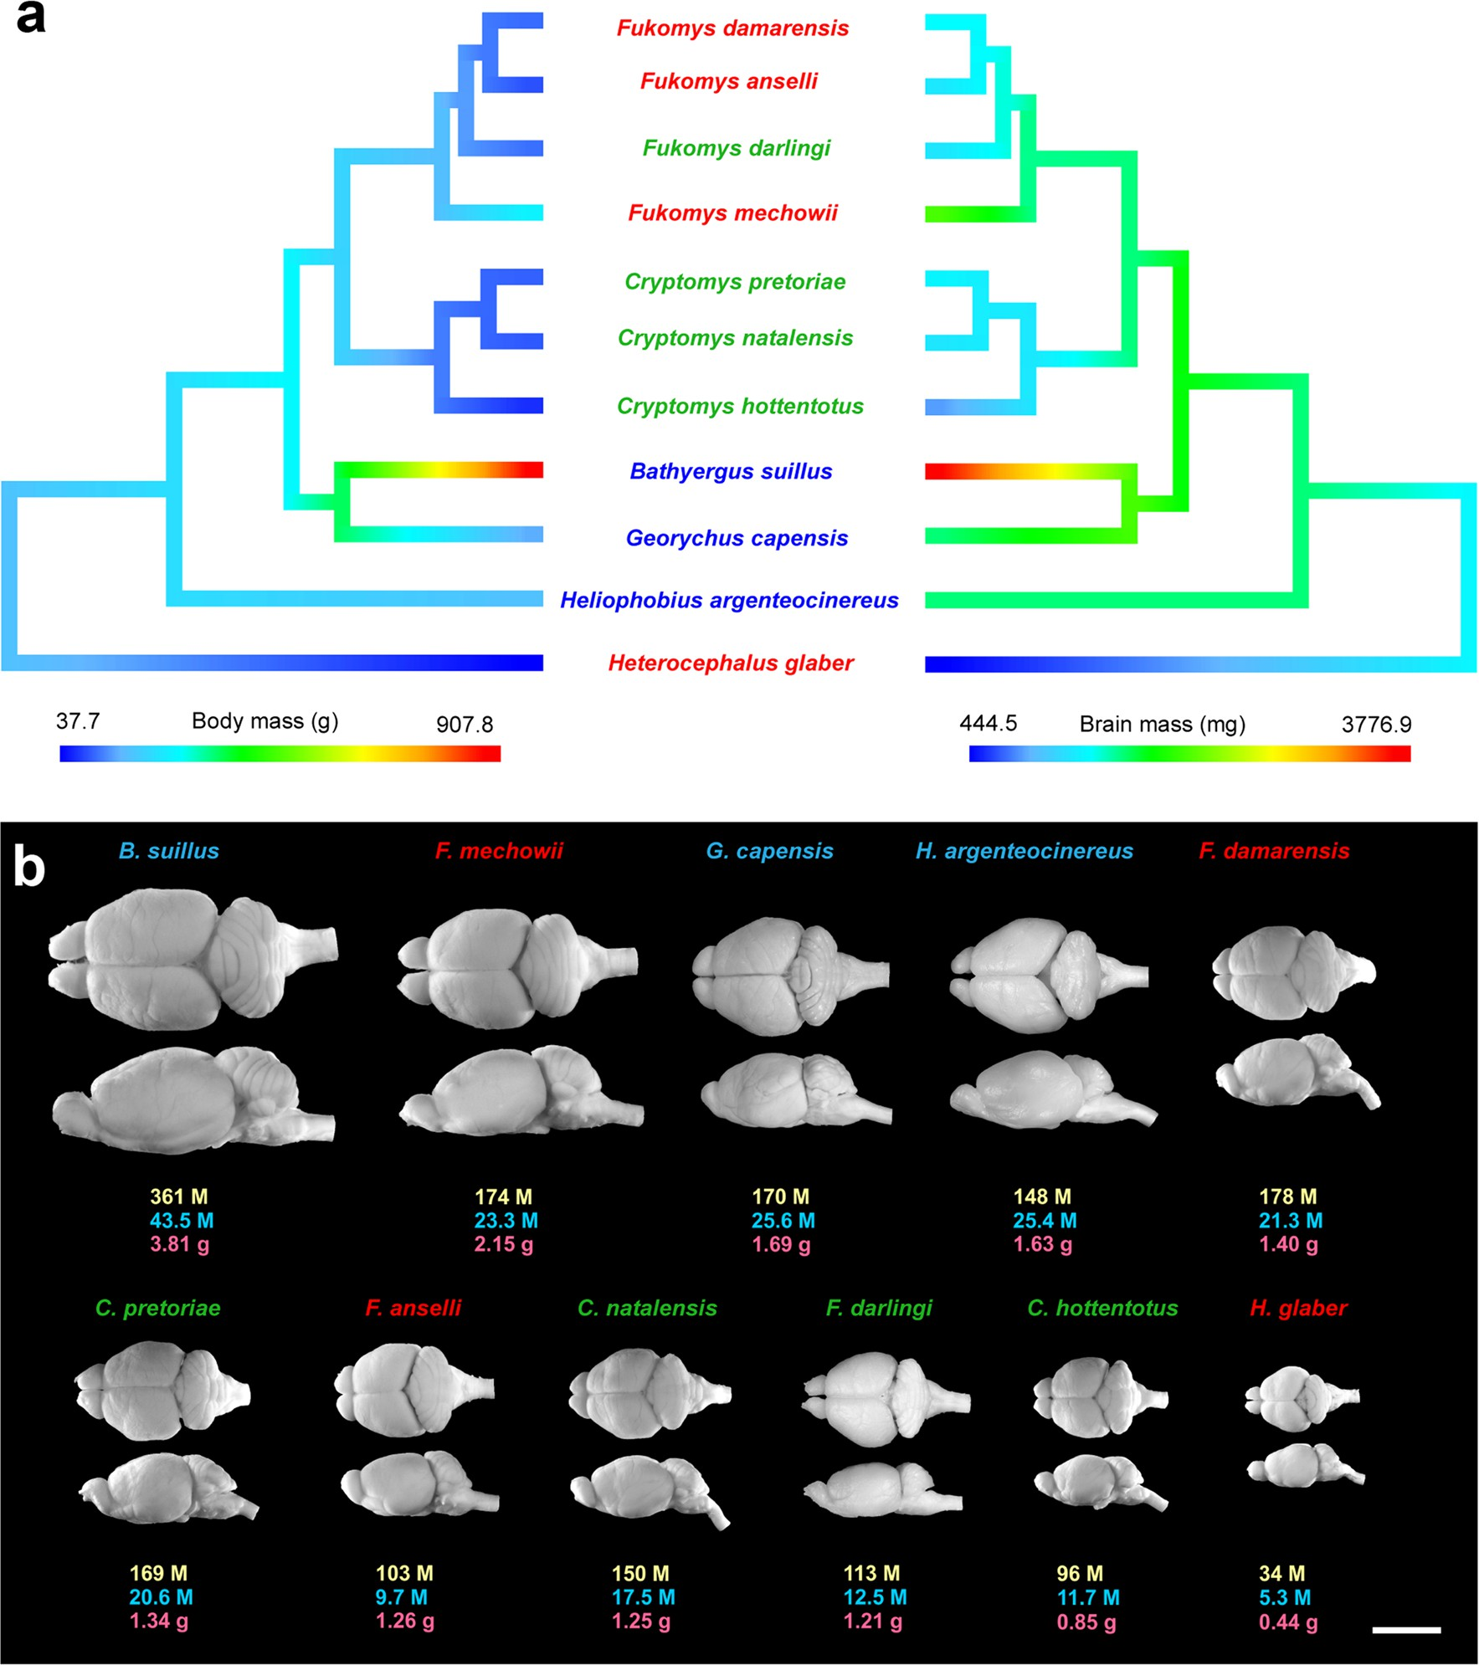

Figure 2. Absolute and relative brain size by sociality. Bar plots illustrating the differences in absolute (a,b) and relative brain size (c,d) between social and solitary (left column graphs) and eusocial, social and solitary species of African mole-rats (right column graphs). Note that solitary mole-rats tend to have absolutely, but not relatively larger brains than social ones. Relative brain size is expressed as a residual from the brain-on-body regression line for Rodentia, with 1 added to get positive numbers. Data are represented as mean ± SEM.
other rodents in either their allometric brain-body relationship or previously published neuronal scaling rules (Fig. S1). Notably, the naked mole-rat not only has a smaller brain than expected for a rodent of its body size, but also a lower number of neurons than predicted for its brain size. The studied species range in average body mass from 38 g to 908 g and in average brain mass from 0.44 g to 3.81 g (Fig. 1, Table S1). Solitary species have significantly larger body mass than social species (posterior mean = 1.1089, CI = [0.1481, 2.2049], pMCMC = 0.0321, lambda mean = 0.75; for other comparisons, see Table S2). Likewise, absolute brain mass tends to be higher in solitary species, although the difference is not significant (posterior mean = 0.6486, CI = [−0.0018, 1.4556], pMCMC = 0.0741, lambda mean = 0.84; for other comparisons, see Table S2) (Fig. 2a,b). Relative brain size, a measure previously shown to be associated with sociality2,13,72 (expressed as a residual from the regression line for rodents) shows no connection to the social system in mole-rats (Fig. 2c,d; for statis- tics, see Table S2). Volumetric analyses. To assess whether there is any evidence of mosaic evolution (disproportional enlarge- ment of specific brain parts, see e.g.73) in response to selective pressures associated with sociality, we measured the volumes of 14 brain regions and determined the scaling rules for those structures with brain size (Tables S1 and S3). All measured volumes correlate significantly and very tightly with whole brain volume (Fig. 3). In fact, brain volume accounts for over 90% of variance in all structure volumes measured, except for the amygdala (R2 = 0.86) (Table S3). We then compared relative volumes of these brain structures between sociality grades. Not surprisingly, given the high proportion of variance explained by brain size, relative volumes of all the structures are independent of sociality (Table S4). Mole-rats are thus no exception to the broa

Figure 3. Scaling of selected brain structures with brain volume. Log-transformed structure volumes are plotted against log-transformed total brain volumes. The diencephalon volume was calculated as the sum of the thalamic and hypothalamic volumes, the mesencephalon volume as the sum of the tectal and tegmental volumes. Fitted lines and coefficients of determination are taken from the OLS regressions of species averages. Note that all structures scale very predictably with total brain volume. BS, Bathyergus suillus; CH, Cryptomys hottentotus; CN, Cryptomys natalensis; CP, Cryptomys pretoriae; FA, Fukomys anselli; FD, Fukomys damarensis; FI, Fukomys darlingi; FM, Fukomys mechowii; GC, Georychus capensis; HA, Heliophobius argenteocinereus; HG, Heterocephalus glaber.
Figure 4. Neocortex ratio by sociality. Bar plots illustrating the differences in neocortex ratio (the ratio of neocortex volume to the rest of the brain volume) between (a) social and solitary, and (b) eusocial, social and solitary species of African mole-rats. Data are represented as mean ± SEM. Note that solitary species tend to have higher neocortex ratios than social ones.
 |  | 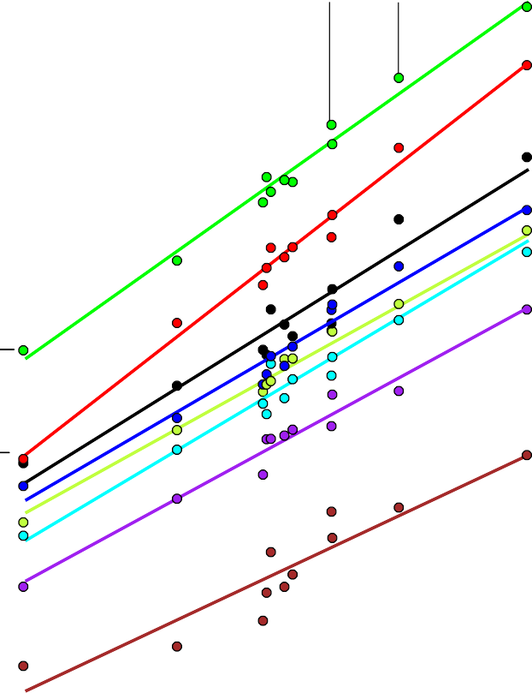

Figure 5. The relationship of selected neuronal correlates of cognitive capacity and social group size. Scatter plots showing negative correlation between neocortex ratio (a,d), number of brain neurons (b,e), number of cortical neurons (c,f) and maximum (a–c) and mean group size (d–f). The fitted lines represent the phylogenetic least squares regressions.
of neurons compared to social species (Table S6; Fig. 6a,b). Importantly, this difference is most pronounced and statistically significant in the number of cortical neurons (posterior mean = 0.7928, CI = [0.0694, 1.5191], pMCMC = 0.0396, lambda mean = 0.48) and neurons in the subcortical forebrain (posterior mean = 0.6884, CI = [0.0306, 1.3882], pMCMC = 0.0480, lambda mean = 0.44), i.e., solitary species have significantly more neu- rons in the forebrain (posterior mean = 0.7603, CI = [0.0405,1.4421], pMCMC = 0.0332, lambda mean = 0.48) (Fig. 6c,d). Consistent with these results, the number of brain neurons decreases with both maximum group size (PGLS: −0.2167, p = 0.0322; Fig. 5b) and mean group size (PGLS: −0.2804, p = 0.0492; Fig. 5e), although this relation- ship is not significant after removing the naked mole-rat from the analysis (maximum group size: −0.1423, p = 0.1048; mean group size: −0.1643, p = 0.133). Number of cortical neurons also decreases with maximum group size (PGLS: −0.2724, p = 0.0019; Fig. 5c) and mean group size (PGLS: −0.3680, p = 0.0021; Fig. 5f), and, notably, this relationship remains significant even when analysed without the naked mole-rat (maximum group size: −0.2905, p = 0.0272; mean group size: −0.2342, p = 0.018). Numbers of neurons contained in the brain regions examined correlate significantly and very tightly with their mass (Table S3) and, because the size of these regions scales highly predictably with brain size (Fig. 7b), also with brain mass (Fig. 7a). Numbers of neurons relative to the brain mass do not differ between the social grades in the whole brain or any of the five brain parts (Table S6). We also examined residuals from the neurons-body regression line for rodents, essentially the neuronal index proposed by Herculano-Houzel76 as an adequate proxy for cognitive abilities, and the ratio of cortical neurons to the neurons in brain stem, another index of cognitive power, analogous to the neocortex ratio (Fig. 6e–h)
 |  | 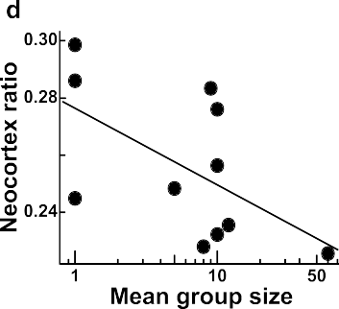
 |  | 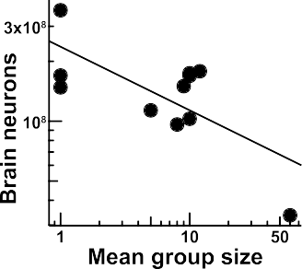
 |  | 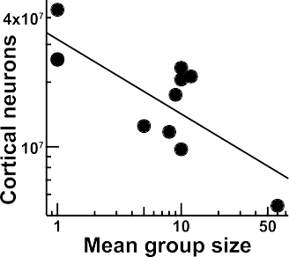
 |  | 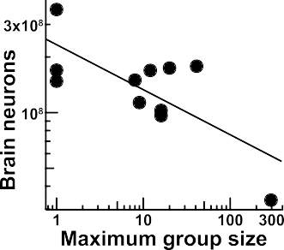
 |  | 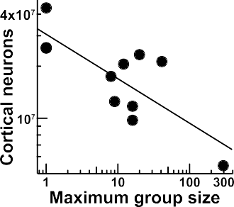
 |  | 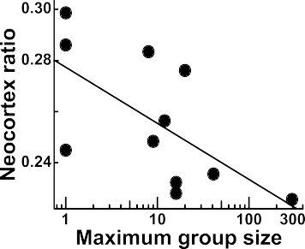

Figure 6. Neuronal approximations of cognitive capacity by sociality. Bar plots illustrating the differences in the average number of brain neurons (a,b), the average number of forebrain neurons (c,d), neuronal index (e,f) and the ratio of cortical neurons to brain stem neurons (g,h) between social and solitary (left column graphs) and between eusocial, social and solitary species of African mole-rats (right column graphs). Note that solitary mole- rats have significantly more forebrain neurons and tend to have more brain neurons and higher cortical neurons ratios than social ones. The neuronal index is expressed as a residual from the neurons-on-body mass regression line for Rodentia, adjusted by adding the largest negative value to get positive numbers. Data are represented as mean ±SEM; asterisk marks a significant difference (95% confidence interval does not include 0).
 |  | 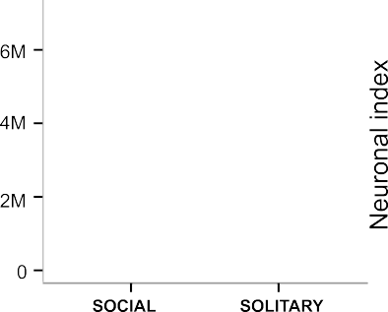

 |  | 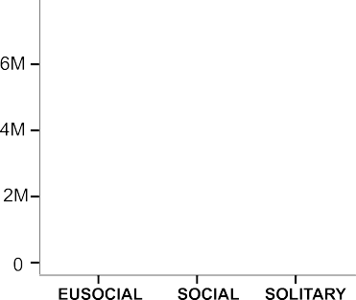
 |  | 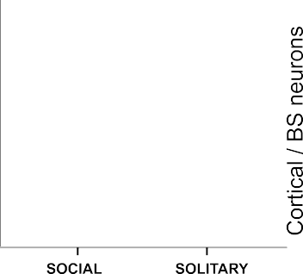

 |  | 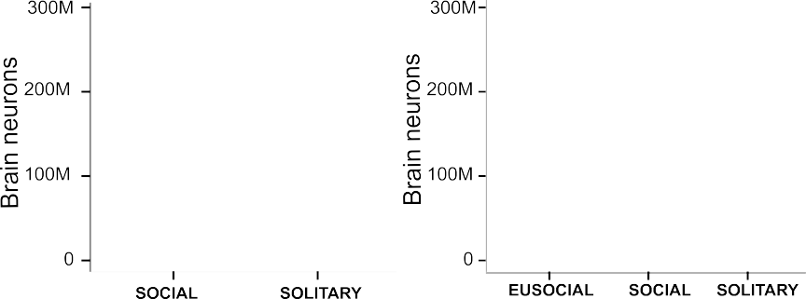

 |  | 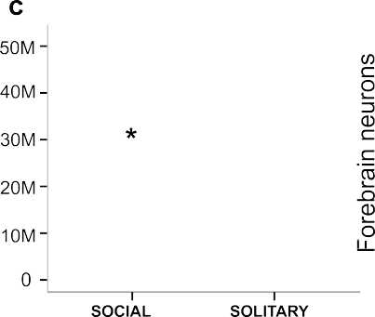

Figure 7. Scaling of neuronal numbers and volumes of major brain divisions with brain mass. (a) Number of neurons contained in the brain divisions plotted as a function of brain mass. (b) Division volumes plotted as a function of brain mass, for comparison. Data points correspond to species averages. Coefficients of determination are reported for the OLS regressions. See caption to Fig. 3 for abbreviations.
of forebrain neurons likely endows solitary species with improved cognitive abilities and increased behavioural flexibility. General cognitive abilities aside, it could be hypothesized that social mole-rats would have relatively larger brain areas related to individual recognition and/or emotional processing, such as olfactory areas or the amygdala78,79. This is not the case, however. Brain structure scaling is very conservative in mole-rats and we found no evidence of mosaic evolution. These results show that social living that entails maintaining group cohesion, individual recognition, behavioural coordination, monogamous pair bonding and cooperative breeding does not drive the evolution of large brains harbouring large numbers of neurons in African mole-rats. Importantly, our failure to find support for the SBH is not due to lack of statistical power. If that were the case, there would be no significant results and the trends would be in the opposite direction. Although the debate about the importance of relative vs. absolute brain size for cognition is still ongoing and recent evidence for both is available66,80, our results do not support the SBH in any case. Since we included both absolute and relative measures of whole brains and several brain regions, the results are not tied to any particular assumptions about the neural substrate for cognitive capacity. Drawing an analogy with insect eusociality (see Introduction), it is tempting to interpret the lower number of forebrain neurons in social mole-rats as evidence supporting the DCH. The very fact that the naked mole rat, the species that forms the largest colonies of up to 295 members24 and in which non-breeding individuals of both sexes are physiologically suppressed from reproduc- tion81,82, has the smallest brain and the lowest number of neurons (both in absolute and relative terms; Tables S1 and S5, Fig. S1) is in line with the hypothesis. However, in contrast to DCH predictions61, a reduced brain size
 | 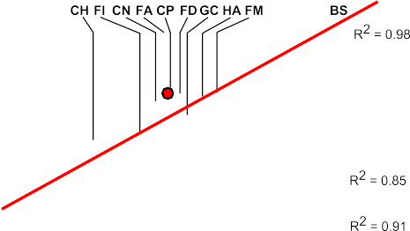
 |  | 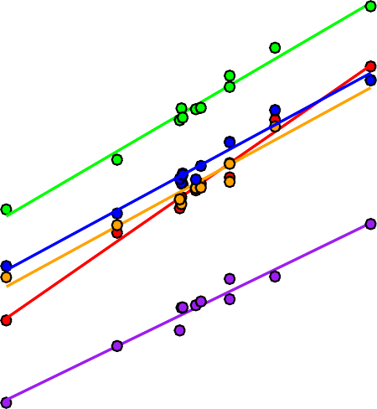

correlation between sociality and brain size3. The subterranean niche confers relative protection from predators and predation is not a driver of social evolution in mole-rats (see below). Therefore, we argue that low predation pressure in subterranean burrows may partly explain the lack of positive relationship between the correlates of brain processing capacity and sociality in African mole-rats. These findings add to the series of recent papers that have reported no link between relative brain size and sociality in mammals5,6,8,9,80 (but see10) and fish4,90. However, they are in stark contrast to previous studies in pri- mates, cetaceans, carnivores and insectivores62–65,91 that have found a positive relationship between CR and social group size. In mole-rats, the trend goes in the opposite direction: solitary species tend to have larger CR and CR tends to correlate negatively with group size. This makes sense in light of the findings of Schillaci92, who reports that CR in primates correlates highly positively with body size and is not a significant predictor of group size, after controlling for body size. In other words, CR is in fact indicative of absolute brain size, and that is what drives the correlation in primates. Interestingly, a recent test of the SBH in another rodent group (ground squirrels of the tribe Marmotini)6, revealed that there is no link between relative brain size and sociality, but that social species tend to be larger and hence have absolutely larger brains. This relationship between body mass and sociality (and, correspondingly, the neocortex ratio) is opposite in mole-rats, and thus contrary to the SBH. Once again, these results point to a tight coupling between body size and absolute brain size. The latter seems to be generally linked with the brain’s intrinsic complexity: the proportional and absolute size of the neocortex, the number of cortical areas and the total number of cortical neurons increase with absolute brain size (for rev

